1. Title Page
GROCERY BASKET ANALYSIS

Project Name: Grocery Basket Analysis
Date: 16.11.2023
Analyst Name: Dariia Pavlova

Contents: | Data citation:
Population Flow | “The Instacart Online Grocery Shopping Dataset 2017”, Accessed from www.instacart.com/datasets/grocery-shopping-2017
Consistency checks | Customer data and "prices" column in the Products data set are fabricated to anable wide analysis
Wrangling steps
Column derivations
Visualizations
Recommendations

2. Population Flow
Title page

Population flow

Exclusion flag
Condition: max_order < 5
Obervations to be removed: 1 440 295
Final total count of order_products_all: 30 964 564

Orders_products_combined
Orders_products_merged
Orders_products_all

Total: 32 404 859
Total: 32 434 489
Total: 30 964 564

1.) The grey boxes in the first row of the population flow represent the original data sets as they were when you downloaded them. In the Total fields you need to add the count of the rows when you imported the data set into Jupyter.
2.) The second row of boxes (coloured) represents the data sets after you manipulated them, e.g., removed missing values and duplicates. In the Total fields you need to add the count of the rows after conducting these operations. This offers a visual oveview of how the data flows throughout the data consistency checks.
3.) The third row, where also the arrows are coloured, represents the merges you performed between the datasets. In the Total fields you need to add the count of the rows in the merged datasets, so that you end up with the final dataset (in the red box). Keep in mind the final dataset should be without exclusions (based on the exclusion flag).

3. Consistency checks
 |  |  |  | Title page
Consistency checks

Dataset | Missing values | Missing values treatment | Duplicates
orders | 206209 in col. "days_since_prior_order" | boolean column imputed
products | 16 in col. "product name" | deletion (creation new df) | 5 duplicates deleted
orders_products_prior | - | - | -
customers | in first name column | no actions needed as PII data to be removed | -

4. Wrangling steps
 |  |  |  | Title page
Wrangling steps

Columns dropped | Columns renamed | Columns' type changed | Comment/Reason
eval_set' in orders list |  |  | irrelevant
 | order_dow' to 'orders_day_of_week' in orders |  | readibility
 |  | order_id' to string in orders | no descriptive analysis needed for variable
 |  | order_number' to string in orders | no descriptive analysis needed for variable
 | "First Name" to "name", "Surnam" to "surname", "Gender" to "gender", "STATE" to "state", "Age" to "age", "fam_status" to "status" in customers | "name", "user_id" to string, "age" to int8, "income" to int32 in customers | no descriptive analysis needed for variable
 |  | "product_id", "order_number", "order_id" to int32, "aisle_id", "department_id", "orders_day_of_week", "order_hour_of_day", "add_to_cart_order", "reordered", "max_order" to int8 in orders_products_merged | reducing due to memory issues
"name", "surname" in ords_prods_custs |  |  | PII

5. Column derivations
 |  |  |  | Title page

Column derivations and aggregations

In this tab you should add tables below that the frequences of flags/label variables that you produced after deriving them. NB: don't do this for continuous variables, only for flags.
Dataset | New column | Column/s it was derived from | Conditions
orders_products_merged | price_range | prices | price <=5 --> "low-range product" price >5 and <=15 --> "mid-range product" price >15 --> "high-range product"
orders_products_merged | busiest_day | orders_day_of_week | day=0 --> "busiest day" day=4 --> "least busy" else --> "regularly busy"
orders_products_merged | busiest_days | orders_day_of_week | day=0 or 1 --> "busiest day" day=4 or 3 --> "least busy" else --> "regularly busy"
orders_products_merged | “busiest_period_of_day” | order_hour_of_day | hour= 9 or 10 or 11 or 12 or 13 or 14 or 15 or 16 --> "most orders" hour=0 or 1 or 2 or 3 or 4 or 5 or 6 --> "fewest orders" else --> "average orders"
ords_prods_merge | max_order | user_id, order_number | max of grouped data
ords_prods_merge | loyalty_flag | max_order | max_order>40 --> "loyal customer" max_order<=10 --> "new customer" else --> "regular customer"
ords_prods_merge | mean_spend | user_id, prices | mean of grouped data
ords_prods_merge | spender_flag | mean_spend | mean_spend<10 --> "low spender" else --> "high spender"
ords_prods_merge | median_days_since_prior_order | user_id, days_since_prior_order | median of grouped data
ords_prods_merge | order_frequency_flag | median_days_since_prior_order | median<=10 --> "frequent customer" median >20 --> "non-frequent customer" else --> "regular customer"
ords_prods_custs | region | state | if condition based on Wikipedia data
ords_prods_custs | user_activity_flag | max_order | <5 --> "low activity" >=5 --> "normal activity"
df_active | department | from department table | matching conditions
df_active | income_group | income | income<67000 --> "<67T" income>=67000 and <97000 --> "67-97T" income >=97000 and <127000 --> "97-127T" income>=127000 --> ">127T"
df_active | living | status | status=divorced/widowed or single --> "living alone" status=married or living with parents and siblings --> "shared living"
df_active | age_group | age | age<45 --> "18-44" age>=65 --> "65+" else --> "45-64"

6. Visualizations
 |  |  | Title page

Visualisations

In this tab you should include all the visualtions from Exercises 4.9 and 4.10, alongside the questions from the project brief that they answer. Include any commentary on the relationship between different variables.


The busiest days of the week and hours of the day
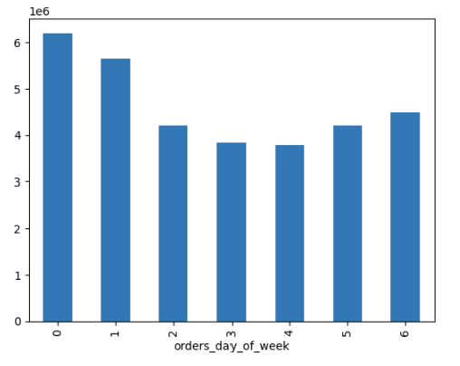

 | 0 - Saturday 1 - Sunday 2 - Monday 3 - Tuesday 4 - Wednesday 5 - Thursday 6 - Friday

>> most orders on weekends, less - on Tuesdays and Wednesdays |  | >> most orders are coming from 9am to 4pm, the less - at night (1 to 5 am)

Particular times of the day when people spend the most money

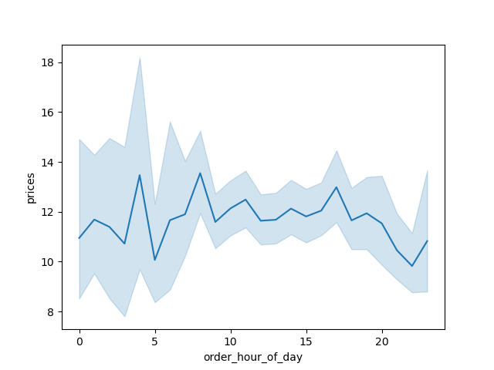

>> Customers tend to buy expensive products at 4am (after-party spontanious shopping), at 9am (for a breakfast) and 6pm (for a dinner)

Price tags

Price tag Frequency
Mid-range product 652638
Low-range product 338018
High-range product 9344

>> most sold are mid-range products

Which departments have the highest frequency of product orders?

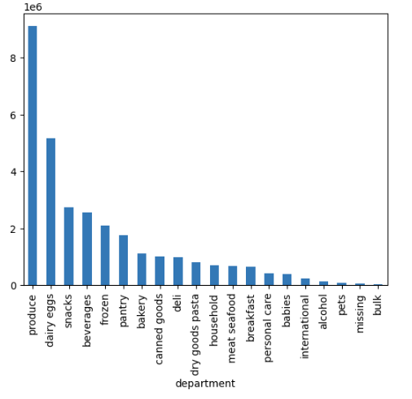

>> most sold are goods from departments produce, dairy / eggs

Brand loyalty
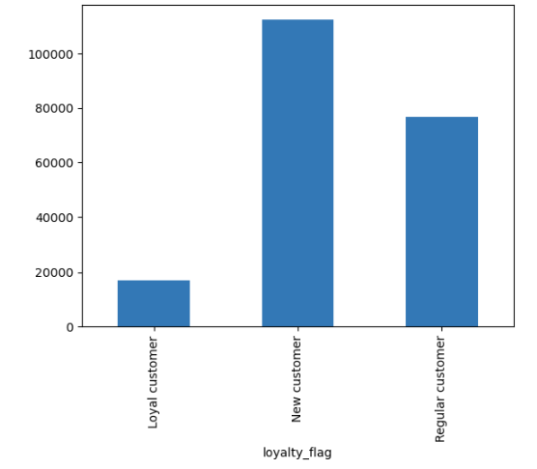

>> most customers never return, less customers are loyal (~ 1/10)

Spendings per region

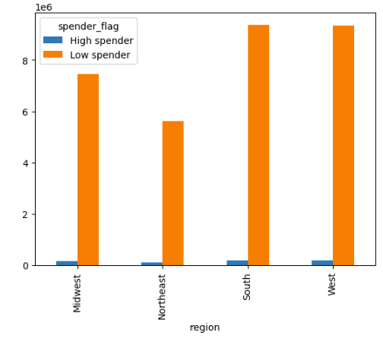

>> same spending behavior over regions

Customers age distribution

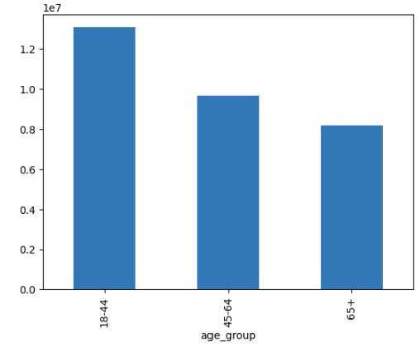

>> more young customers

Customers income distribution

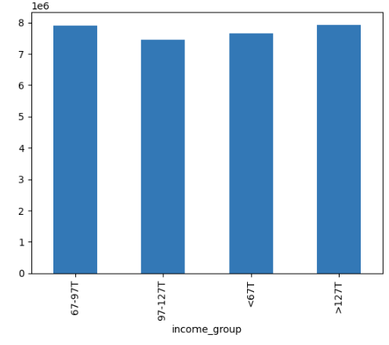

>> income groups are almost equally distributed across customers

Customers living situation

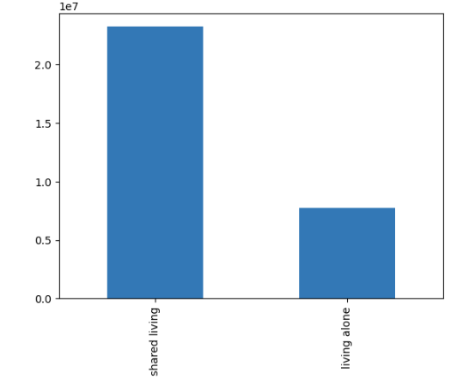

>>most customers share apartment with their relatives or family

Customers age / region distribution

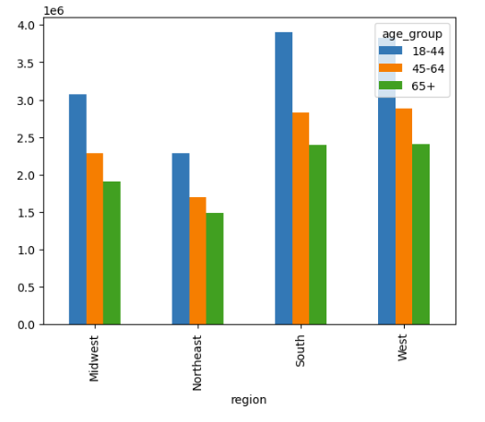

>> same customer age groups distribution over regions

Age groups across departments

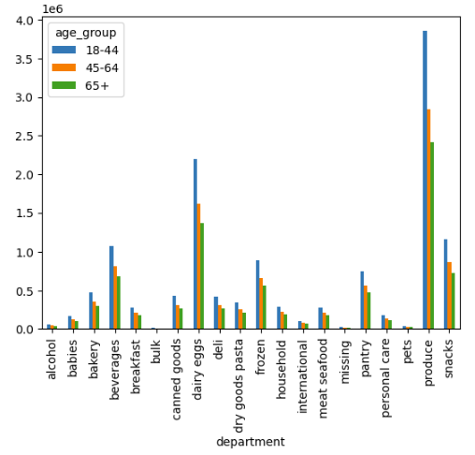

>> no visible difference for age groups across departments

Income groups across regions

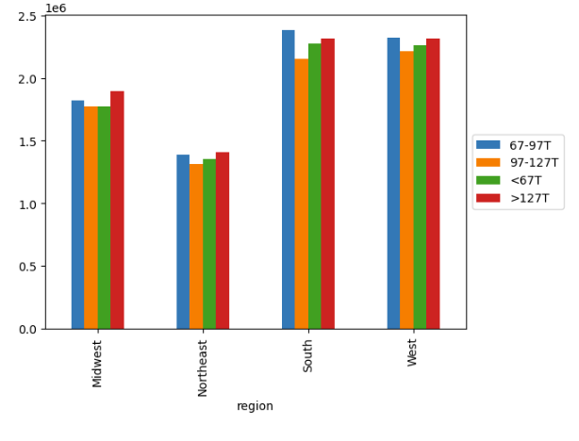

>> Midwest and Northeast have more customers with high income

Income groups across departments
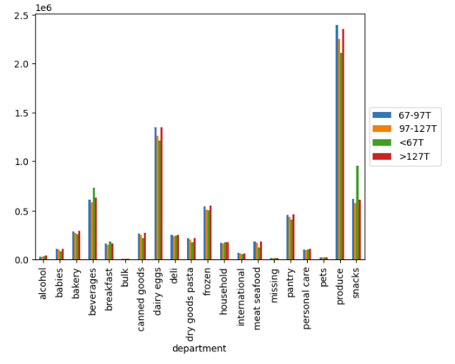

>> Customers with less income buy more then others snacks, beverages and breakfast products. Alcohol (interesting category in this analysis) has most wealthy customers as most frequent buyers. Also bakery, canned goods, dairy and eggs, dry goods, pantry and personal care goods categories are mostly bought by customers with most income.

Departments across regions

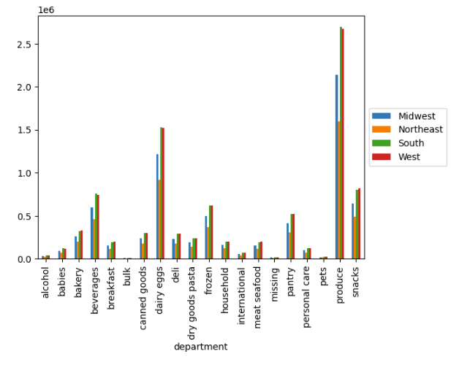

>> Alcohol is mostly sold in South and West regions. In general no clear trends visible

Living situation across regions

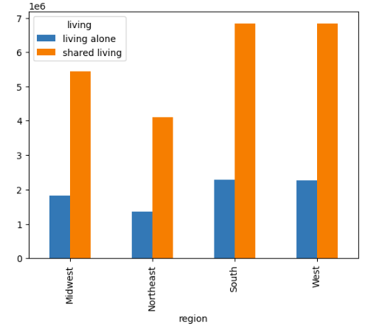

>> Same tendency (most customers share don't live alone) for each region

Living situation across departments
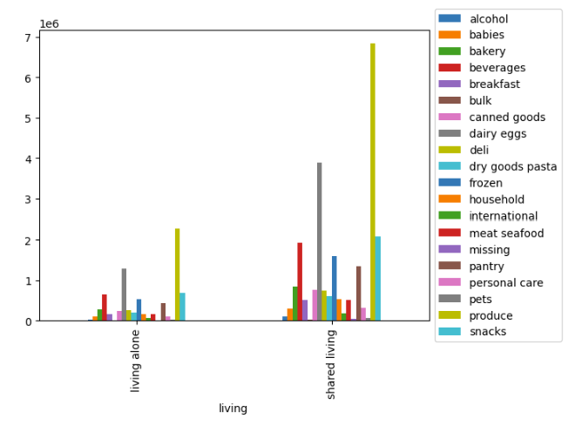

>> no specific tendencies detected

7. Recommendations
 |  |  | Title page

Recommendations

In this tab you should include any recommendations you would made to Instcart in terms of their marketing strategy based on the questions posed in the brief. Every key question has been covered in the Tasks of the Exercises - here you need to add an item - a visualisation or table/crosstable that is showing the answer in the data, acompanied by a comment from you. Please, list the questions below and add the answer underneath.

Question | Answer | Recommendation
What the busiest days of the week and hours of the day? |  | Push the sales on Tuesdays and Mondays as well as at night time and late evenings

Are there particular times of the day when people spend the most money? | 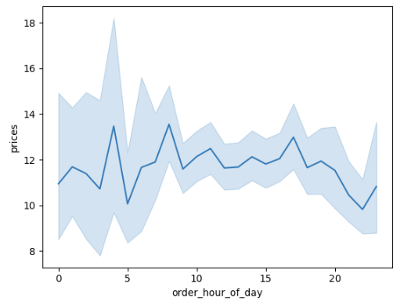 | Advertise products at 4am, at 9am (breakfast products) and 6pm (dinner products)
Use simpler price range groupings |  | Actions needed to convert new customers to regular, and regular customer to loyal
Are there certain types of products that are more popular than others? Which departments have the highest frequency of product orders. |  | Push the most popular category produce, followed by dairy / eggs
Different types of customers and how is their ordering behavior |  | Customers with less income should get adds for others snacks, beverages and breakfast products. Alcohol, but also bakery, canned goods, dairy and eggs, dry goods, pantry and personal care goods categories are mostly bought by customers with high income and should be pushed for this income group.

 |  | Push alcohol sales in in South and West regions, optimize (prices, promotions) in others.

